Crash stats
Crash Stats: Early Estimate of Motor Vehicle Traffic Fatalities for the First Half (January-June) of 2021 (dot.gov) |  |  | 2019 Data: Summary of Motor Vehicle Crashes (dot.gov) |  |  |  |  |  | NATIONAL STATISTICS |  |  |  | National Statistics.pdf (nhtsa.gov)
 |  |  |  |  |  |  |  |  |  | 2019 | 2018 | 2017 | 2016 | 2015 | 2014 | 2013 | 2012 | 2011 | 2010
 | Year | Fatality rate per 100 million VMt | Year | Injury rate per 100 million VMT |  |  |  |  | POLICE-REPORTED MOTOR VEHICLE TRAFFIC CRASHES
 | 2011 | 1.1 | 2016 | 96 |  | Property damage only - reported | VMT (Millions, annual) | Property damage crashes per million VMT | Fatal | 33,244 | 33,919 | 34,560 | 34,748 | 32,538 | 30,056 | 30,202 | 31,006 | 29,867 | 30,296
 | 2012 | 1.14 | 2017 | 86 | 2019 | 4,806,000 | 3,261,772 | 1.47 | Injury | 1,916,000 | 1,894,000 | 1,889,000 | 2,116,000 | 1,715,000 | 1,648,000 | 1,591,000 | 1,634,000 | 1,530,000 | 1,542,000
 | 2013 | 1.1 | 2018 | 84 | 2018 | 4,807,000 | 3,240,327 | 1.48 | Property-Damage-Only | 4,806,000 | 4,807,000 | 4,530,000 | 4,670,000 | 4,548,000 | 4,387,000 | 4,066,000 | 3,950,000 | 3,778,000 | 3,847,000
 | 2014 | 1.08 | 2019 | 84 | 2017 | 4,530,000 | 3,210,248 | 1.41 | Total | 6,756,000 | 6,735,000 | 6,453,000 | 6,821,000 | 6,296,000 | 6,064,000 | 5,687,000 | 5,615,000 | 5,338,000 | 5,419,000
 | 2015 | 1.15 | Average | 87.5 | 2016 | 4,670,000 | 3,173,815 | 1.47 | TRAFFIC CRASH VICTIMS: FATALITIES
 | 2016 | 1.19 |  |  | 2015 | 4,548,000 | 3,089,841 | 1.47 | Occupants | 23,744 | 24,332 | 25,130 | 25,276 | 23,899 | 22,307 | 22,483 | 23,017 | 22,510 | 23,371
 | 2017 | 1.17 |  |  | 2014 | 4,387,000 | 3,020,377 | 1.45 | Drivers | 17,880 | 18,321 | 18,819 | 18,717 | 17,615 | 16,470 | 16,520 | 16,838 | 16,474 | 16,864
 | 2018 | 1.14 |  |  | 2013 | 4,066,000 | 2,982,941 | 1.36 | Passengers | 5,807 | 5,962 | 6,237 | 6,485 | 6,213 | 5,766 | 5,896 | 6,106 | 5,972 | 6,451
 | 2019 | 1.11 |  |  | 2012 | 3,950,000 | 2,963,497 | 1.33 | Unknown | 57 | 49 | 74 | 74 | 71 | 71 | 67 | 73 | 64 | 56
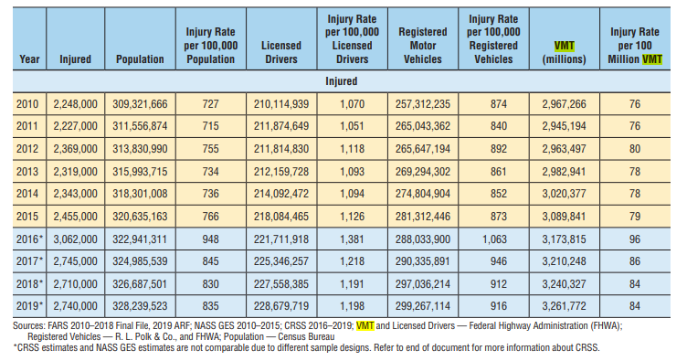
 | 2020 | 1.37 |  |  | 2011 | 3,778,000 | 2,945,194 | 1.28 | Motorcyclists | 5,014 | 5,038 | 5,226 | 5,337 | 5,029 | 4,594 | 4,692 | 4,986 | 4,630 | 4,518
 | 2021 |  |  |  | 2010 | 3,847,000 | 2,967,266 | 1.30 | Nonoccupants | 7,338 | 7,465 | 7,117 | 7,193 | 6,556 | 5,843 | 5,718 | 5,779 | 5,339 | 5,110
 | Average | 1.155 |  |  |  |  |  |  | Pedestrians | 6,205 | 6,374 | 6,075 | 6,080 | 5,494 | 4,910 | 4,779 | 4,818 | 4,457 | 4,302
 |  |  |  |  | 2019-2016 average |  |  | 1.46 | Pedalcyclists | 846 | 871 | 806 | 853 | 829 | 729 | 749 | 734 | 682 | 623
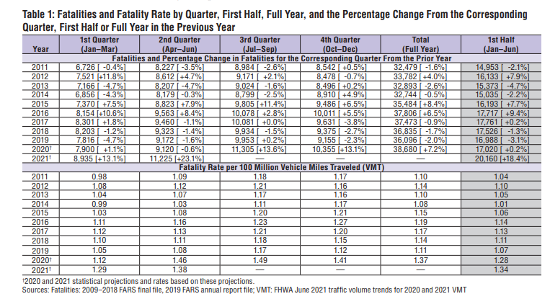
 |  |  |  |  |  |  |  |  | Other/Unknown | 287 | 220 | 236 | 260 | 233 | 204 | 190 | 227 | 200 | 185
 |  |  |  |  |  |  |  |  | Total | 36,096 | 36,835 | 37,473 | 37,806 | 35,484 | 32,744 | 32,893 | 33,782 | 32,479 | 32,999
 |  |  |  |  |  |  |  |  | TRAFFIC CRASH VICTIMS: INJURED
 |  |  |  |  |  |  |  |  | Occupants | 2,516,000 | 2,492,000 | 2,523,000 | 2,791,000 | 2,241,000 | 2,125,000 | 2,105,000 | 2,140,000 | 2,019,000 | 2,036,000
 |  |  |  |  |  |  |  |  | Drivers | 1,858,000 | 1,808,000 | 1,816,000 | 2,004,000 | 1,610,000 | 1,526,000 | 1,454,000 | 1,492,000 | 1,420,000 | 1,435,000
 |  |  |  |  |  |  |  |  | Passengers | 657,000 | 681,000 | 707,000 | 787,000 | 629,000 | 599,000 | 650,000 | 647,000 | 599,000 | 600,000
 |  |  |  |  |  |  |  |  | Unknown | 1,000 | 3,000 | * | 1,000 | 1,000 | * | * | 1,000 | 1,000 | *
 |  |  |  |  |  |  |  |  | Motorcyclists | 84,000 | 82,000 | 89,000 | 104,000 | 89,000 | 92,000 | 89,000 | 93,000 | 82,000 | 82,000
 |  |  |  |  |  |  |  |  | Nonoccupants | 140,000 | 137,000 | 133,000 | 166,000 | 125,000 | 125,000 | 125,000 | 136,000 | 126,000 | 130,000
 |  |  |  |  |  |  |  |  | Pedestrians | 76,000 | 75,000 | 71,000 | 86,000 | 70,000 | 65,000 | 66,000 | 76,000 | 69,000 | 70,000
 |  |  |  |  |  |  |  |  | Pedalcyclists | 49,000 | 47,000 | 50,000 | 64,000 | 45,000 | 50,000 | 48,000 | 49,000 | 48,000 | 52,000
 |  |  |  |  |  |  |  |  | Other/Unknown | 16,000 | 15,000 | 12,000 | 16,000 | 10,000 | 10,000 | 11,000 | 10,000 | 9,000 | 8,000
 |  |  |  |  |  |  |  |  | Total | 2,740,000 | 2,710,000 | 2,745,000 | 3,062,000 | 2,455,000 | 2,343,000 | 2,319,000 | 2,369,000 | 2,227,000 | 2,248,000
 |  |  |  |  |  |  |  |  | OTHER NATIONAL STATISTICS
 |  |  |  |  |  |  |  |  | Vehicle Miles Traveled (Millions) | 3,261,772 | 3,240,327 | 3,210,248 | 3,173,815 | 3,089,841 | 3,020,377 | 2,982,941 | 2,963,497 | 2,945,194 | 2,967,266
 |  |  |  |  |  |  |  |  | Resident Population | 328,239,523 | 326,687,501 | 324,985,539 | 322,941,311 | 320,635,163 | 318,301,008 | 315,993,715 | 313,830,990 | 311,556,874 | 309,321,666
 |  |  |  |  |  |  |  |  | Registered Vehicles | 299,267,114 | 297,036,214 | 290,335,891 | 288,033,900 | 281,312,446 | 274,804,904 | 269,294,302 | 265,647,194 | 265,043,362 | 257,312,235
 |  |  |  |  |  |  |  |  | Licensed Drivers | 228,679,719 | 227,558,385 | 225,346,257 | 221,711,918 | 218,084,465 | 214,092,472 | 212,159,728 | 211,814,830 | 211,874,649 | 210,114,939
 |  |  |  |  |  |  |  |  | NATIONAL RATES: FATALITIES
 |  |  |  |  |  |  |  |  | Fatalities per 100 Million Vehicle Miles Traveled | 1.11 | 1.14 | 1.17 | 1.19 | 1.15 | 1.08 | 1.10 | 1.14 | 1.10 | 1.11
 |  |  |  |  |  |  |  |  | Fatalities per 100,000 Population | 11.00 | 11.28 | 11.53 | 11.71 | 11.07 | 10.29 | 10.41 | 10.76 | 10.42 | 10.67
 |  |  |  |  |  |  |  |  | Fatalities per 100,000 Registered Vehicles | 12.06 | 12.40 | 12.91 | 13.13 | 12.61 | 11.92 | 12.21 | 12.72 | 12.25 | 12.82
 |  |  |  |  |  |  |  |  | Fatalities per 100,000 Licensed Drivers | 15.78 | 16.19 | 16.63 | 17.05 | 16.27 | 15.29 | 15.50 | 15.95 | 15.33 | 15.71
 |  |  |  |  |  |  |  |  | NATIONAL RATES: INJURED PERSONS
 |  |  |  |  |  |  |  |  | Injured Persons per 100 Million Vehicle Miles Traveled | 84 | 84 | 86 | 96 | 79 | 78 | 78 | 80 | 76 | 76
 |  |  |  |  |  |  |  |  | Injured Persons per 100,000 Population | 835 | 830 | 845 | 948 | 766 | 736 | 734 | 755 | 715 | 727
 |  |  |  |  |  |  |  |  | Injured Persons per 100,000 Registered Vehicles | 916 | 912 | 946 | 1,063 | 873 | 852 | 861 | 892 | 840 | 874
 |  |  |  |  |  |  |  |  | Injured Persons per 100,000 Licensed Drivers | 1,198 | 1,191 | 1,218 | 1,381 | 1,126 | 1,094 | 1,093 | 1,118 | 1,051 | 1,070

 |  |  |  |  |  |  |  |  | *Estimate less than 500.
 |  |  |  |  |  |  |  |  | Sources: Crashes, Fatalities, Injured, and Costs - National Highway Traffic Safety Administration.
 |  |  |  |  |  |  |  |  | Population – U.S. Bureau of the Census.
 |  |  |  |  |  |  |  |  | Vehicle Miles Traveled and Licensed Drivers – Federal Highway Administration (FHWA).
 |  |  |  |  |  |  |  |  | Registered Vehicles - FHWA and Polk data from R.L Polk & Co., a foundation of IHS Markit automotive solutions.

 |  |  |  |  |  |  |  |  |  |  |  |  |  |  |  |  | Traffic Safey Facts Annual Report, May 2021

